NLM example NCIt concept tree
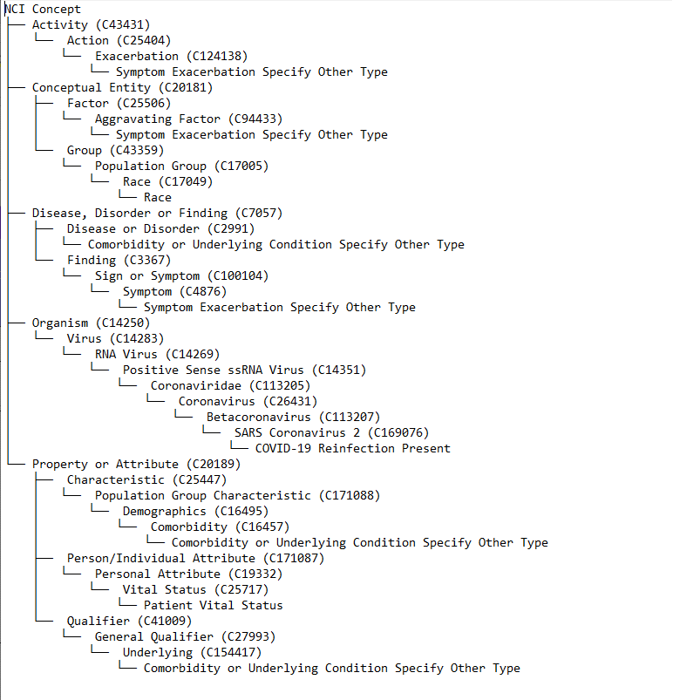
Step 4 nci-concept-to-tree.py output

